Sheet1
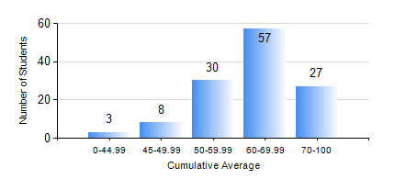
 |  |  | KWAME NKRUMAH UNIVERSITY OF SCIENCE AND TECHNOLOGY, KUMASI Department of Petroleum Engineering

 |  |  | BSC. PETROLEUM ENG.

 |  |  | COMPREHENSIVE RECORD OF EXAMINATION RESULTS

 |  |  | RESULTS OF YEAR 2 FIRST SEMESTER, 2020/2021 ACADEMIC YEAR

 | Sn | Course Code |  | Course Name | Credit Hours | Min. Mark | Max. Mark | Avg. Mark | Std. Dev. | No. Passed | No. Trailed | No. (Df) | No. (I) | No. (I*) | No. Tagged(I,I*,Df) | Total
 | 0. |  |  |  |  |  |  | 0 | 0 | 0 | 0 | 0 | 0 | 0 | 0 | 12
 | 1. | CENG 291 |  | ENGINEERING IN SOCIETY | 2 | 40 | 96 | 62 | 11.22 | 113 | 0 | 0 | 0 | 0 | 0 | 113
 | 2. | MATH 251 |  | DIFFERENTIAL EQUATIONS | 4 | 25 | 93 | 57 | 13.96 | 105 | 8 | 0 | 0 | 0 | 0 | 113
 | 3. | ME 255 |  | STRENGTH OF MATERIALS I | 2 | 15 | 90 | 60 | 16.46 | 107 | 6 | 0 | 0 | 0 | 0 | 113
 | 4. | PE 251 |  | RESERVOIR ENGINEERING I | 3 | 21 | 82 | 55 | 14.15 | 104 | 9 | 0 | 0 | 0 | 0 | 113
 | 5. | PE 253 |  | BASIC GEOLOGY | 2 | 40 | 86 | 69 | 9.85 | 113 | 0 | 0 | 0 | 0 | 0 | 113
 | 6. | PE 255 |  | FLUID MECHANICS | 3 | 11 | 93 | 62 | 18.54 | 106 | 7 | 0 | 0 | 0 | 0 | 113
 | 7. | PE 257 |  | PETROLEUM ENGINEERING THERMODYNAMICS | 2 | 25 | 94 | 64 | 15.59 | 108 | 5 | 0 | 0 | 0 | 0 | 113
 | 8. | PE 259 |  | SURVIVAL SWIMMING TECHNIQUES | 2 | 47 | 93 | 60 | 6.2 | 113 | 0 | 0 | 0 | 0 | 0 | 113

